Sheet1
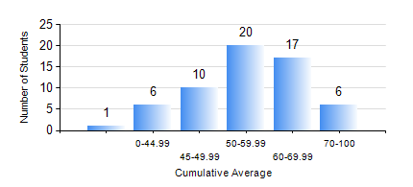
 |  |  | KWAME NKRUMAH UNIVERSITY OF SCIENCE AND TECHNOLOGY, KUMASI Department of Materials Engineering

 |  |  | BSC. METALLURGICAL ENG.

 |  |  | COMPREHENSIVE RECORD OF EXAMINATION RESULTS

 |  |  | RESULTS OF YEAR 1 FIRST SEMESTER, 2022/2023 ACADEMIC YEAR

 | Sn | Course Code |  | Course Name | Credit Hours | Min. Mark | Max. Mark | Avg. Mark | Std. Dev. | No. Passed | No. Trailed | No. (Df) | No. (I) | No. (I*) | No. Tagged(I,I*,Df) | Total
 | 0. |  |  |  |  |  |  | 0 | 0 | 0 | 0 | 0 | 0 | 0 | 0 | 1
 | 1. | EE 151 |  | APPLIED ELECTRICITY | 3 | 14 | 88 | 46 | 12.57 | 44 | 15 | 0 | 0 | 0 | 0 | 59
 | 2. | ENGL 157 |  | COMMUNICATION SKILLS I | 2 | 31 | 79 | 58 | 9.06 | 58 | 1 | 0 | 0 | 0 | 0 | 59
 | 3. | GED 151 |  | BASIC GEOLOGY | 2 | 40 | 89 | 65 | 11.8 | 59 | 0 | 0 | 0 | 0 | 0 | 59
 | 4. | MATH 151 |  | ALGEBRA | 4 | 40 | 93 | 64 | 13.7 | 59 | 0 | 0 | 0 | 0 | 0 | 59
 | 5. | ME 159 |  | TECHNICAL DRAWING | 2 | 16 | 91 | 54 | 12.74 | 56 | 3 | 0 | 0 | 0 | 0 | 59
 | 6. | ME 195 |  | ENGINEERING TECHNOLOGY I | 2 | 15 | 84 | 60 | 14.26 | 58 | 1 | 0 | 0 | 0 | 0 | 59
 | 7. | METE 151 |  | INTRODUCTION TO INFORMATION TECHNOLOGY | 2 | 29 | 79 | 55 | 10.58 | 58 | 1 | 0 | 0 | 0 | 0 | 59

